TTD FY27 budget
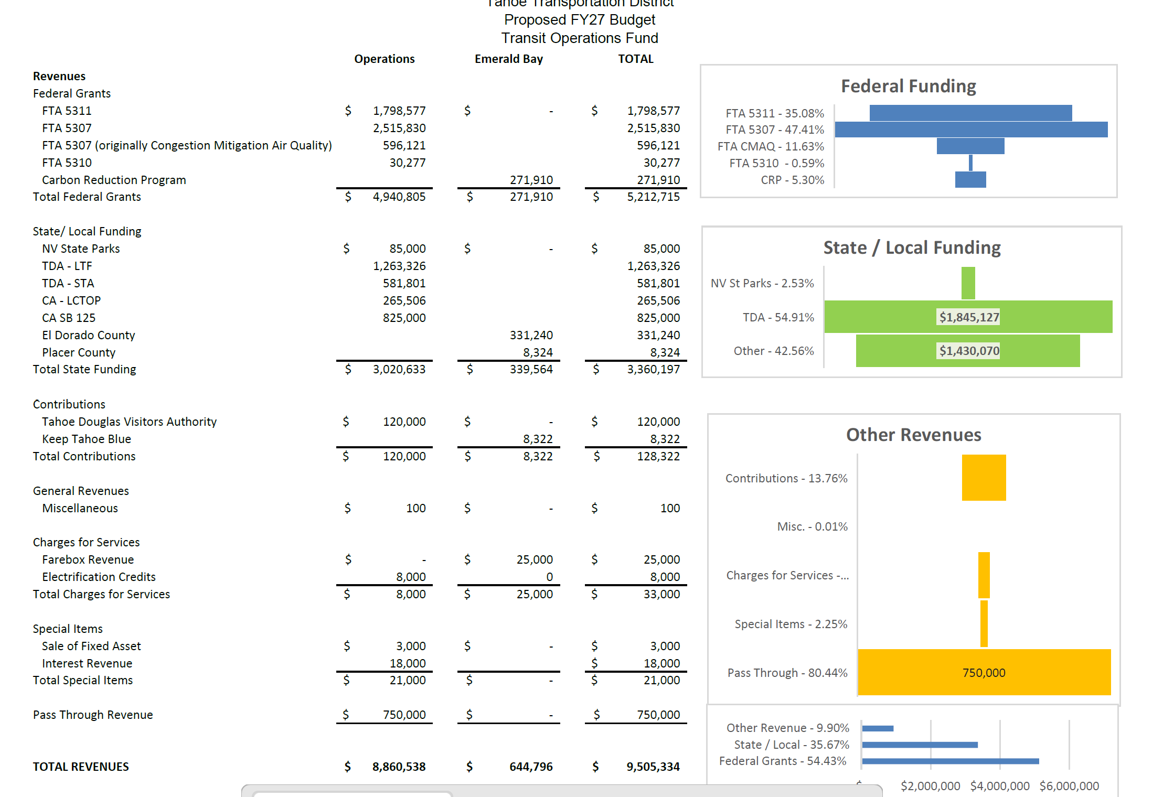
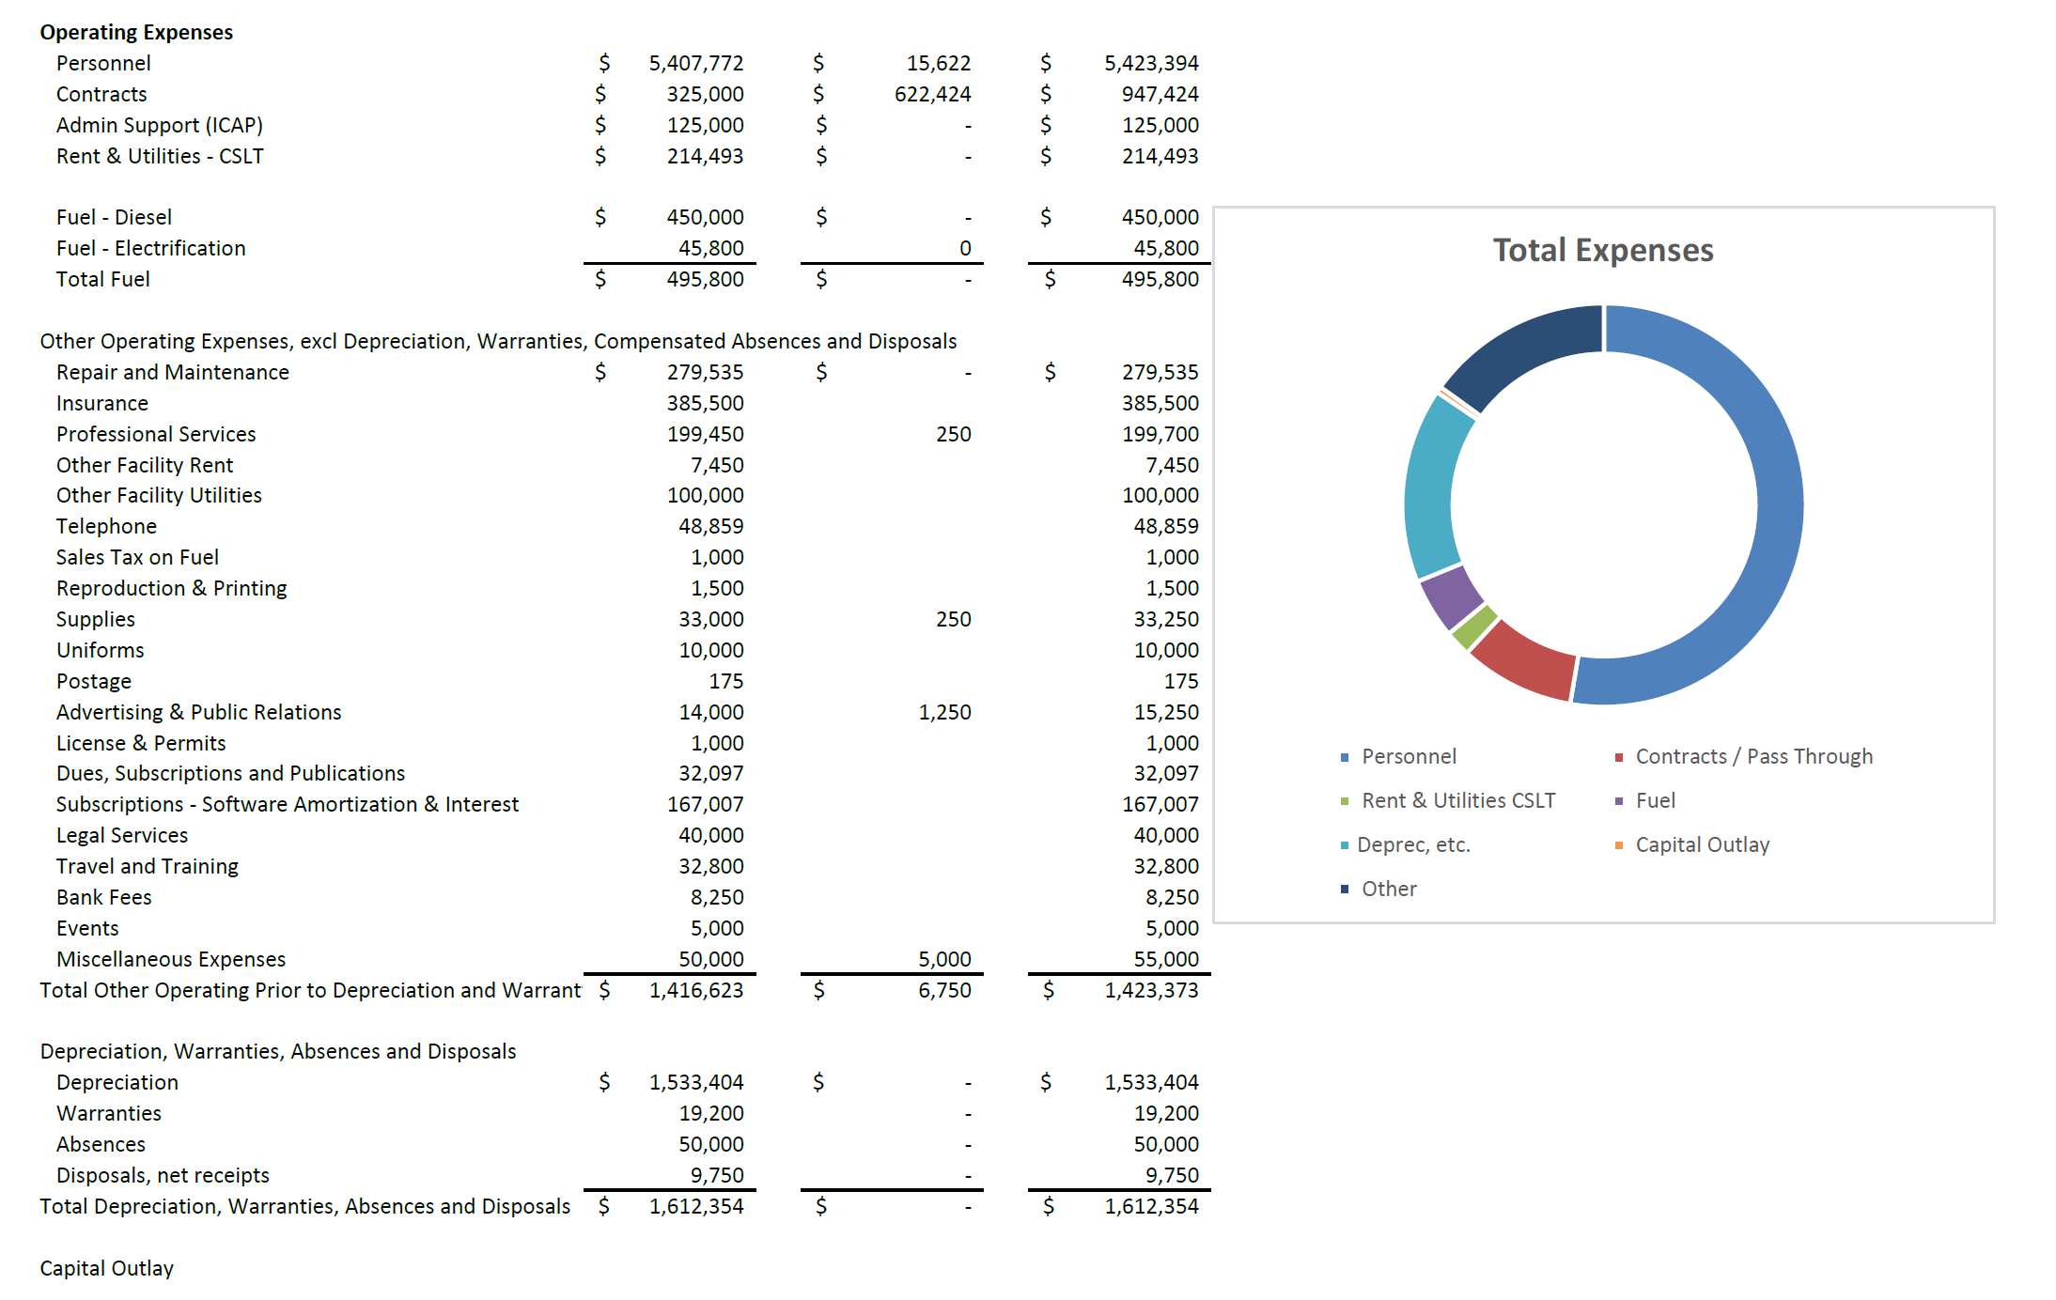

Regional COMPs
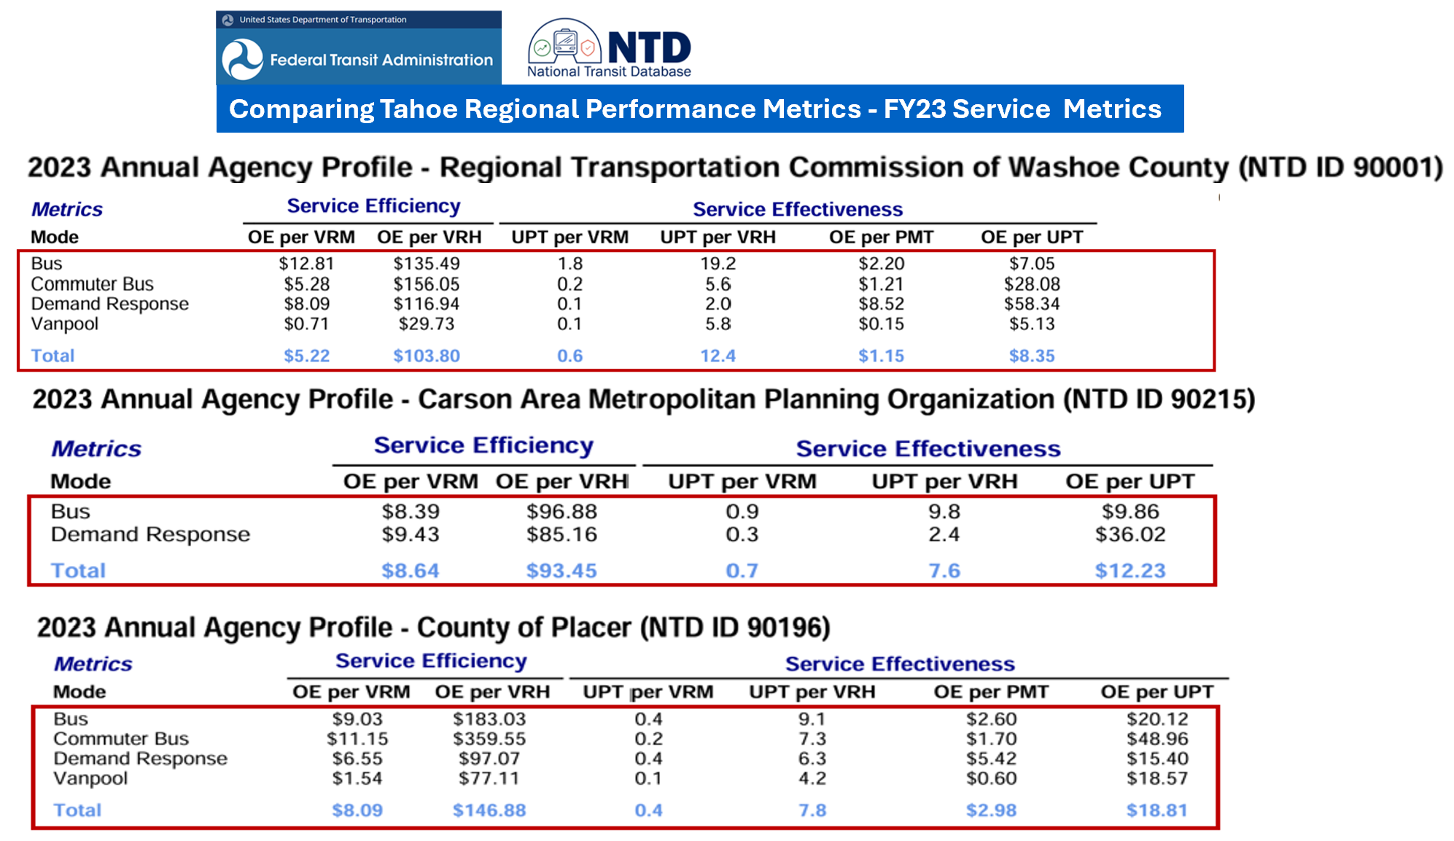

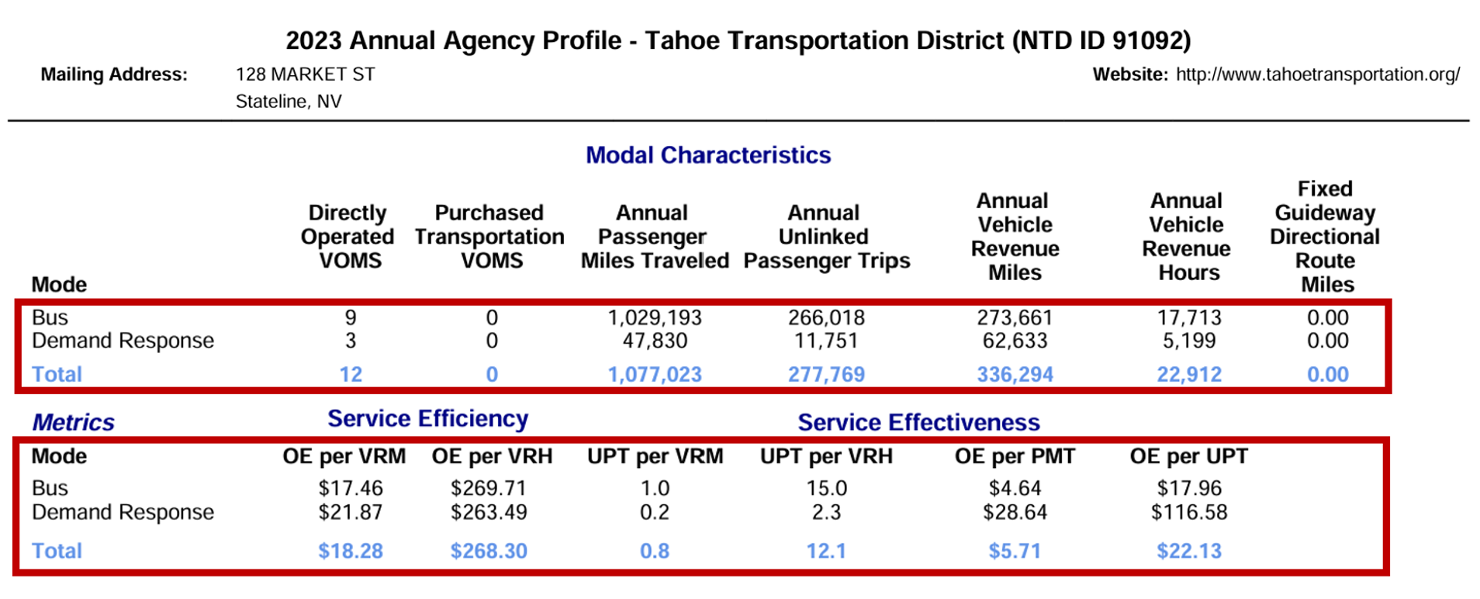

TTD 2022 NTD DATA
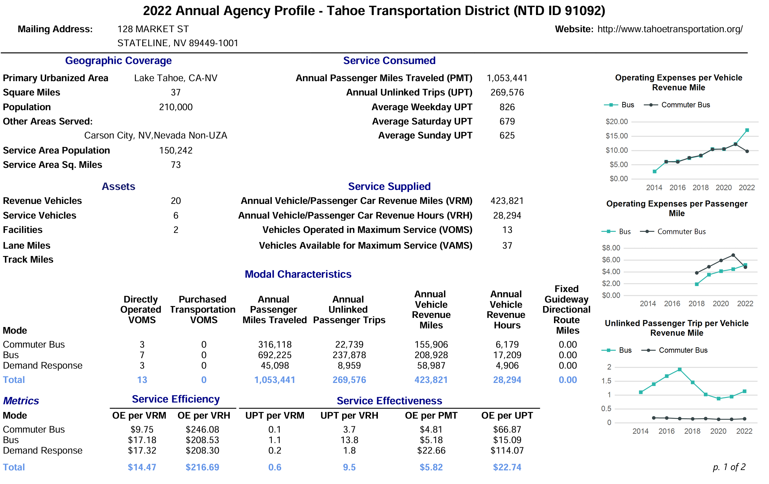

FY27 | FY28
Vehicle | Vehicle
Revenue | Revenue
Miles | Miles

89,541 | 119,387 | VRM JPA
334,280 | 304,434 | VRM TTD
423,821 | 423,821
75% | 75%
185,128 |  | Px
7,461.71 | 9,948.95 | VRH JPA

